Conditional Formatting
Order ID | Order Date | Customer Name | Product | Category | City | Quantity | Unit Price | Discount % | Sales Person | Payment Mode | Status | Sales
ORD1001 | 2026-07-01 | John Smith | Laptop | Electronics | Chennai | 2 | 55000 | 10 | Rahul | Card | Delivered | 110000
ORD1002 | 2026-07-02 | Alice Brown | Mouse | Electronics | Bangalore | 5 | 500 | 5 | Priya | UPI | Delivered | 2500
ORD1003 | 2026-07-03 | David Lee | Keyboard | Electronics | Chennai | 3 | 1200 | 0 | Rahul | Cash | Pending | 3600
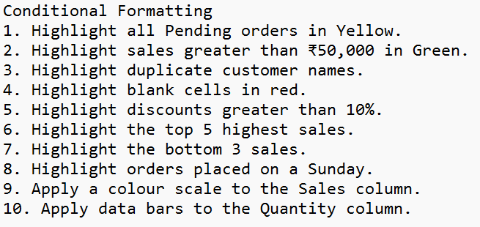
ORD1004 | 2026-07-04 | Emma Wilson | Chair | Furniture | Hyderabad | 4 | 3500 | 15 | Kiran | Card | Delivered | 14000
ORD1005 | 2026-07-05 | John Smith | Table | Furniture | Bangalore | 2 | 8000 | 10 | Priya | Cash | Cancelled | 16000
ORD1006 | 2026-07-06 | Ravi Kumar | Laptop | Electronics | Chennai | 1 | 55000 | 5 | Rahul | UPI | Delivered | 55000
ORD1007 | 2026-07-07 | Meena Devi | Monitor | Electronics | Mumbai | 2 | 15000 | 10 | Kiran | Card | Delivered | 30000
ORD1008 | 2026-07-08 |  | Printer | Electronics | Delhi | 1 | 9000 | 5 | Rahul | Cash | Pending | 9000
ORD1009 | 2026-07-09 | Anil Kumar | Laptop | Electronics | Chennai |  | 55000 | 0 | Priya | Card | Delivered
ORD1010 | 2026-07-10 | Sarah Jones | Mouse | Electronics | Bangalore | 6 | 500 | 10 | Kiran | UPI | Delivered | 3000
ORD1011 | 2026-07-11 | John Smith | Chair | Furniture | Chennai | 3 | 3500 | 5 | Rahul | Cash | Delivered | 10500
ORD1012 | 2026-07-12 | David Lee | Table | Furniture | Hyderabad | 2 | 8000 | 0 | Priya | Card | Returned | 16000
ORD1013 | 2026-07-13 | Emma Wilson | Keyboard | Electronics | Delhi | 4 | 1200 | 10 | Rahul | UPI | Delivered | 4800
ORD1014 | 2026-07-14 | Ravi Kumar | Printer | Electronics | Chennai | 2 | 9000 | 15 | Kiran | Card | Pending | 18000
ORD1015 | 2026-07-15 | Alice Brown | Laptop | Electronics | Bangalore | 1 | 55000 | 5 | Rahul | Cash | Delivered | 55000

Data Cleaning
Order ID | Order Date | Customer Name | First Name | Last Name | Product | Category | City | Quantity | Unit Price | Discount % | Sales Person | Payment Mode | Status | Sales
ORD1004 | 2026-07-04 | Emma Wilson | Emma | Wilson | Chair | Furniture | Hyderabad | 4 | 3500 | 15 | Kiran | Card | Delivered | 14000
ORD1011 | 2026-07-11 | John Smith | John | Smith | Chair | Furniture | Chennai | 3 | 3500 | 5 | Rahul | Cash | Delivered | 10500
ORD1013 | 2026-07-13 | Emma Wilson | Emma | Wilson | Keyboard | Electronics | Delhi | 4 | 1200 | 10 | Rahul | UPI | Delivered | 4800
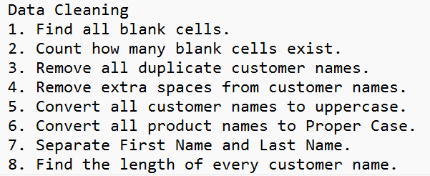
ORD1003 | 2026-07-03 | David Lee | David | Lee | Keyboard | Electronics | Chennai | 3 | 1200 | 0 | Rahul | Cash | Pending | 3600
ORD1001 | 2026-07-01 | John Smith | John | Smith | Laptop | Electronics | Chennai | 2 | 55000 | 10 | Rahul | Card | Delivered | 110000
ORD1015 | 2026-07-15 | Alice Brown | Alice | Brown | Laptop | Electronics | Bangalore | 1 | 55000 | 5 | Rahul | Cash | Delivered | 55000
ORD1006 | 2026-07-06 | Ravi Kumar | Ravi | Kumar | Laptop | Electronics | Chennai | 1 | 55000 | 5 | Rahul | UPI | Delivered | 55000
ORD1009 | 2026-07-09 | Anil Kumar | Anil | Kumar | Laptop | Electronics | Chennai |  | 55000 | 0 | Priya | Card | Delivered
ORD1007 | 2026-07-07 | Meena Devi | Meena | Devi | Monitor | Electronics | Mumbai | 2 | 15000 | 10 | Kiran | Card | Delivered | 30000
ORD1010 | 2026-07-10 | Sarah Jones | Sarah | Jones | Mouse | Electronics | Bangalore | 6 | 500 | 10 | Kiran | UPI | Delivered | 3000
ORD1002 | 2026-07-02 | Alice Brown | Alice | Brown | Mouse | Electronics | Bangalore | 5 | 500 | 5 | Priya | UPI | Delivered | 2500
ORD1014 | 2026-07-14 | Ravi Kumar | Ravi | Kumar | Printer | Electronics | Chennai | 2 | 9000 | 15 | Kiran | Card | Pending | 18000
ORD1008 | 2026-07-08 |  |  |  | Printer | Electronics | Delhi | 1 | 9000 | 5 | Rahul | Cash | Pending | 9000
ORD1005 | 2026-07-05 | John Smith | John | Smith | Table | Furniture | Bangalore | 2 | 8000 | 10 | Priya | Cash | Cancelled | 16000
ORD1012 | 2026-07-12 | David Lee | David | Lee | Table | Furniture | Hyderabad | 2 | 8000 | 0 | Priya | Card | Returned | 16000

 |  |  |  | 11 | EMMA WILSON
 |  |  |  | 10 | JOHN SMITH
 |  |  |  | 11 | EMMA WILSON
 |  |  |  | 9 | DAVID LEE |  | Emma Wilson
 |  |  |  | 10 | JOHN SMITH |  | John Smith
 |  |  |  | 11 | ALICE BROWN |  | Emma Wilson
 |  |  |  | 10 | RAVI KUMAR |  | David Lee
 |  |  |  | 10 | ANIL KUMAR |  | John Smith
 |  |  |  | 10 | MEENA DEVI |  | Alice Brown
 |  |  |  | 11 | SARAH JONES |  | Ravi Kumar
 |  |  |  | 11 | ALICE BROWN |  | Anil Kumar
 |  |  |  | 10 | RAVI KUMAR |  | Meena Devi
 |  |  |  | 0 |  |  | Sarah Jones
 |  |  |  | 10 | JOHN SMITH |  | Alice Brown
 |  |  |  | 9 | DAVID LEE |  | Ravi Kumar

 |  |  |  |  |  |  | John Smith
 |  |  |  |  |  |  | David Lee

Flash-Fill
Order ID | Order Date | Customer Name | First Name | Last First | Initials | Product | Category | City | Quantity | Unit Price | Discount % | Sales Person | Payment Mode | Status | Sales | Product-City
ORD1004 | 2026-07-04 | Emma Wilson | Emma | Wilson | EW | Chair | Furniture | Hyderabad | 4 | 3500 | 15 | Kiran | Card | Delivered | 14000 | Chair-Hyderabad
ORD1011 | 2026-07-11 | John Smith | John | Smith | JS | Chair | Furniture | Chennai | 3 | 3500 | 5 | Rahul | Cash | Delivered | 10500 | Chair-Chennai
ORD1013 | 2026-07-13 | Emma Wilson | Emma | Wilson | EW | Keyboard | Electronics | Delhi | 4 | 1200 | 10 | Rahul | UPI | Delivered | 4800 | Keyboard-Delhi
ORD1003 | 2026-07-03 | David Lee | David | Lee | DL | Keyboard | Electronics | Chennai | 3 | 1200 | 0 | Rahul | Cash | Pending | 3600 | Keyboard-Chennai
ORD1001 | 2026-07-01 | John Smith | John | Smith | JS | Laptop | Electronics | Chennai | 2 | 55000 | 10 | Rahul | Card | Delivered | 110000 | Laptop-Chennai
ORD1015 | 2026-07-15 | Alice Brown | Alice | Brown | AB | Laptop | Electronics | Bangalore | 1 | 55000 | 5 | Rahul | Cash | Delivered | 55000 | Laptop-Bangalore
ORD1006 | 2026-07-06 | Ravi Kumar | Ravi | Kumar | RK | Laptop | Electronics | Chennai | 1 | 55000 | 5 | Rahul | UPI | Delivered | 55000 | Laptop-Chennai
ORD1009 | 2026-07-09 | Anil Kumar | Anil | Kumar | AK | Laptop | Electronics | Chennai |  | 55000 | 0 | Priya | Card | Delivered |  | Laptop-Chennai
ORD1007 | 2026-07-07 | Meena Devi | Meena | Devi | MD | Monitor | Electronics | Mumbai | 2 | 15000 | 10 | Kiran | Card | Delivered | 30000 | Monitor-Mumbai
ORD1010 | 2026-07-10 | Sarah Jones | Sarah | Jones | SJ | Mouse | Electronics | Bangalore | 6 | 500 | 10 | Kiran | UPI | Delivered | 3000 | Mouse-Bangalore
ORD1002 | 2026-07-02 | Alice Brown | Alice | Brown | AB | Mouse | Electronics | Bangalore | 5 | 500 | 5 | Priya | UPI | Delivered | 2500 | Mouse-Bangalore
ORD1014 | 2026-07-14 | Ravi Kumar | Ravi | Kumar | RK | Printer | Electronics | Chennai | 2 | 9000 | 15 | Kiran | Card | Pending | 18000 | Printer-Chennai
ORD1008 | 2026-07-08 |  |  |  |  | Printer | Electronics | Delhi | 1 | 9000 | 5 | Rahul | Cash | Pending | 9000 | Printer-Delhi
ORD1005 | 2026-07-05 | John Smith | John | Smith | JS | Table | Furniture | Bangalore | 2 | 8000 | 10 | Priya | Cash | Cancelled | 16000 | Table-Bangalore
ORD1012 | 2026-07-12 | David Lee | David | Lee | DL | Table | Furniture | Hyderabad | 2 | 8000 | 0 | Priya | Card | Returned | 16000 | Table-Hyderabad

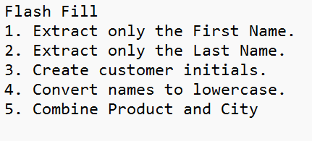
 |  |  |  |  |  | emma wilson
 |  |  |  |  |  | john smith
 |  |  |  |  |  | emma wilson
 |  |  |  |  |  | david lee
 |  |  |  |  |  | john smith
 |  |  |  |  |  | alice brown
 |  |  |  |  |  | ravi kumar
 |  |  |  |  |  | anil kumar
 |  |  |  |  |  | meena devi
 |  |  |  |  |  | sarah jones
 |  |  |  |  |  | alice brown
 |  |  |  |  |  | ravi kumar

 |  |  |  |  |  | john smith
 |  |  |  |  |  | david lee

Basic Aggregation
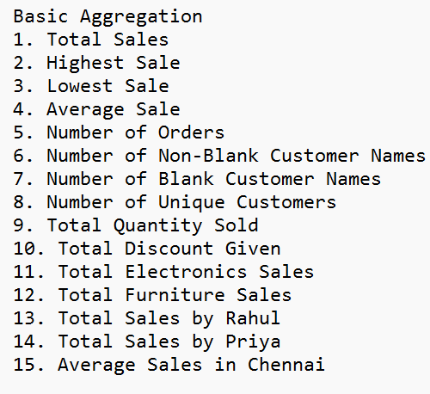
Order ID | Order Date | Customer Name | Product | Category | City | Quantity | Unit Price | Discount % | Sales Person | Payment Mode | Status | Sales
ORD1004 | 2026-07-04 | Emma Wilson | Chair | Furniture | Hyderabad | 4 | 3500 | 15 | Kiran | Card | Delivered | 14000
ORD1011 | 2026-07-11 | John Smith | Chair | Furniture | Chennai | 3 | 3500 | 5 | Rahul | Cash | Delivered | 10500
ORD1013 | 2026-07-13 | Emma Wilson | Keyboard | Electronics | Delhi | 4 | 1200 | 10 | Rahul | UPI | Delivered | 4800
ORD1003 | 2026-07-03 | David Lee | Keyboard | Electronics | Chennai | 3 | 1200 | 0 | Rahul | Cash | Pending | 3600
ORD1001 | 2026-07-01 | John Smith | Laptop | Electronics | Chennai | 2 | 55000 | 10 | Rahul | Card | Delivered | 110000
ORD1015 | 2026-07-15 | Alice Brown | Laptop | Electronics | Bangalore | 1 | 55000 | 5 | Rahul | Cash | Delivered | 55000
ORD1006 | 2026-07-06 | Ravi Kumar | Laptop | Electronics | Chennai | 1 | 55000 | 5 | Rahul | UPI | Delivered | 55000
ORD1009 | 2026-07-09 | Anil Kumar | Laptop | Electronics | Chennai |  | 55000 | 0 | Priya | Card | Delivered
ORD1007 | 2026-07-07 | Meena Devi | Monitor | Electronics | Mumbai | 2 | 15000 | 10 | Kiran | Card | Delivered | 30000
ORD1010 | 2026-07-10 | Sarah Jones | Mouse | Electronics | Bangalore | 6 | 500 | 10 | Kiran | UPI | Delivered | 3000
ORD1002 | 2026-07-02 | Alice Brown | Mouse | Electronics | Bangalore | 5 | 500 | 5 | Priya | UPI | Delivered | 2500
ORD1014 | 2026-07-14 | Ravi Kumar | Printer | Electronics | Chennai | 2 | 9000 | 15 | Kiran | Card | Pending | 18000
ORD1008 | 2026-07-08 |  | Printer | Electronics | Delhi | 1 | 9000 | 5 | Rahul | Cash | Pending | 9000
ORD1005 | 2026-07-05 | John Smith | Table | Furniture | Bangalore | 2 | 8000 | 10 | Priya | Cash | Cancelled | 16000
ORD1012 | 2026-07-12 | David Lee | Table | Furniture | Hyderabad | 2 | 8000 | 0 | Priya | Card | Returned | 16000
15 |  |  |  |  |  |  |  |  |  |  |  | 347400
 |  | 14 |  | 290900 | 39420 | 38 |  | 105 | 247900 |  |  | 110000
 |  | 1 |  | 56500 |  |  |  |  | 34500 |  |  | 2500
 |  | 9 |  |  |  |  |  |  |  |  |  | 24814.285714

